Chap15 #1 a,b
Chap 15 #1 Airline Revenue Management.

 |  | Boston-Atlanta | Atlanta-Chicago | Chicago-Boston
 | First-class | 400 | 400 | 450
 | Tourist | 175 | 150 | 200
 | Total Demand | 182 | 210 | 212
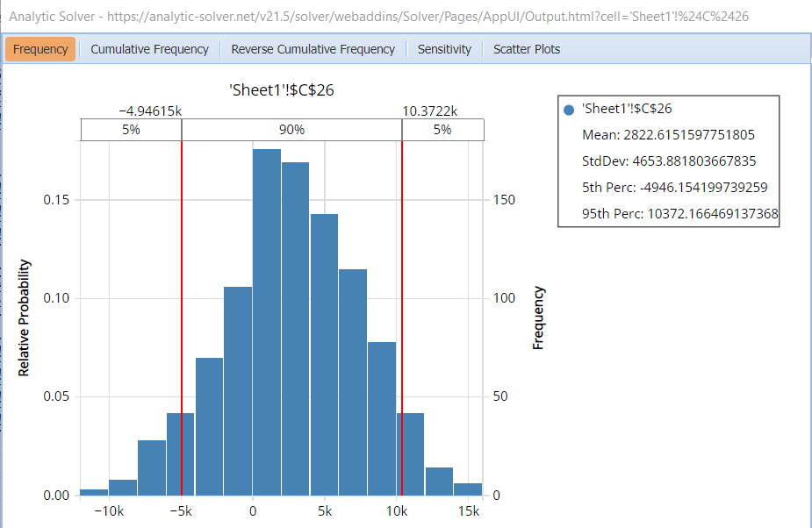
 | Fraction | 5% | 12% | 15%
 | Probability | 0.2 | 0.5 | 0.3
 | First Class Fraction | 0.12 | 0.15 | 0.12
 | Fixed Cost | $100,000
For calculations
 | Total Demand | 174 | 196 | 192
 | First Class Demand | 21 | 29 | 23
 | Tourist Demand | 153 | 167 | 169

 | First Class Seats Available | 12 | 12 | 12
 | Tourist Seats Available | 204 | 204 | 204
For revenue
 | First Class Seats | 12 | 12 | 12 | 1
 | Tourist Seats Sales | 153 | 167 | 169
 | Tourist Sales | 26724 | 24976 | 33798
 | First Class Sales | 4800 | 4800 | 5400

 | Total Profit | 100499
 | Cost | 100000 |  | Mean
 | Expected Profit | 499 |  | 2839.6667507
#1.b The proportion of the days will Alpha at least break even on the Boston–Atlanta– Chicago–Boston circuit is 0.699 or 69.9%.
#1.a For a configuration of three first-class rows and thirty-four tourist rows the expected profit is about $2822 as the mean is $2822.

Chap15 #1 c
 |  | Boston-Atlanta | Atlanta-Chicago | Chicago-Boston
 | First-class | 400 | 400 | 450
 | Tourist | 175 | 150 | 200
 | Total Demand | 189 | 191 | 205
 | Fraction | 5% | 12% | 15%
 | Probability | 0.2 | 0.5 | 0.3
 | First Class Fraction | 0.12 | 0.05 | 0.05
 | Fixed Cost | $100,000
For calculations
 | Total Demand | 178 | 175 | 188
 | First Class Demand | 21 | 9 | 9
 | Tourist Demand | 157 | 166 | 179
 | First Class Rows | 1 | 1 | 1
 | First Class Seats Available | 4 | 4 | 4

 | Tourist Seats | 228 | 228 | 228
For revenue |  |  |  |  | 1
 | First Class Seats | 4 | 4 | 4
 | Tourist Seats Sales | 157 | 166 | 179
 | Tourist Sales | 27395 | 24894 | 35796
 | First Class Sales | 1600 | 1600 | 1800
#1.c From the sim analysis report we can see that the maximum profit is $15613.
 | Total Profit | 93085
 | Cost | 100000 |  | Mean
 | Expected Profit | -6915 |  | -6493.9888434

